Sheet1
Bug ID | Title/Summary | Reporting Date | Reporter | Test item | Test Environment | Test description | Bug Type | Expected Results | Acrtual Results | Severity | Frequency | Status | Screenshot
BG-01 | the page becomes unresponsive when clicking on the numbers of results. | 27/10/2022 | M Talha Tanveer Qasmi | https://academybugs.com/store/all-items/# | All Browsers | 1.Open https://academybugs.com 2.Click the Find Bugs link on the navigation bar 3.Click on the buttons to show a certain number of results at the top left | Crash | The selected number of results is displayed according to the clicked buttons | The page freezes when clicking on the numbers of results | High | Every Time | Open | 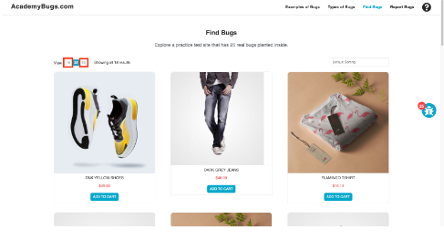
BG-02 | In this bug, the short description and description of the product are not in English. | 27/10/2022 | M Talha Tanveer Qasmi | https://academybugs.com/store/all-items/# | All Browsers | 1.Open https://academybugs.com 2.Click the Find Bugs link on the navigation bar 3.Open a product | Content | The short description and description of the product are in English | The short description and description of the product are not in English | Medium | Every Time | Open | 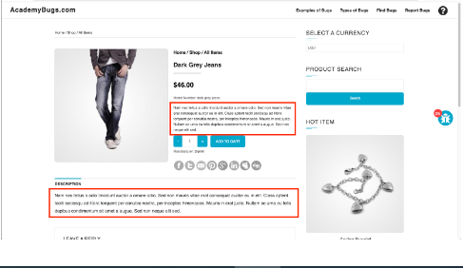
BG-03 | In this bug, the page becomes unresponsive when clicking on the Post Comment button. | 27/10/2022 | M Talha Tanveer Qasmi | https://academybugs.com/store/all-items/# | All Browsers | 1.Open https://academybugs.com 2.Click the Find Bugs link on the navigation bar 3.Open a product Scroll down to the Leave a Reply section 4.Fill out the comment form 5.Click "Post Comment" | Crash | The comment is posted under the product | The page becomes unresponsive when clicking on "Post Comment" | High | Every Time | Open | 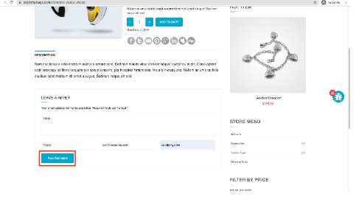
BG-04 | In this bug, the Sign In button overlaps the footer. | 27/10/2022 | M Talha Tanveer Qasmi | https://academybugs.com/store/all-items/# | All Browsers | 1.Open https://academybugs.com 2.Click the Find Bugs link on the navigation bar 3.Open a product 4.Scroll down to the bottom of the right side menu | Visual | The Sign In button is above the footer | The Sign In button overlaps the footer | Low | Every Time | Open | 